Info

PivotTable in Action
Version 1.6 | Naji El Kotob

Let's Talk PivotTable

What is a PivotTable?
A PivotTable helps you summarize big data quickly. You can turn long tables into short summaries like totals, counts, or averages without writing formulas.
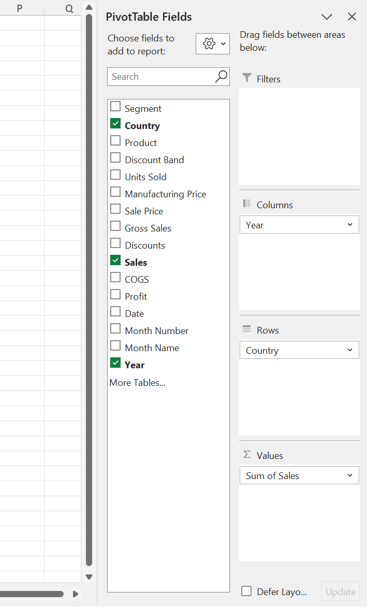

Think of it:
Rows and Columns = Layout Values = What to measure Filters = What to include/exclude

What are the 4 PivotTable Areas?
Rows • What you want to group by. Example: Customer names, months, product types.
Columns • Creates headings across the top. Example: Years, regions, product categories.
Values • What you want to calculate. Example: Sum of Sales, Count of Orders.
Filters • Helps you focus on part of the data. Example: Only show data for 2023 or one branch.

Recommended PivotTables
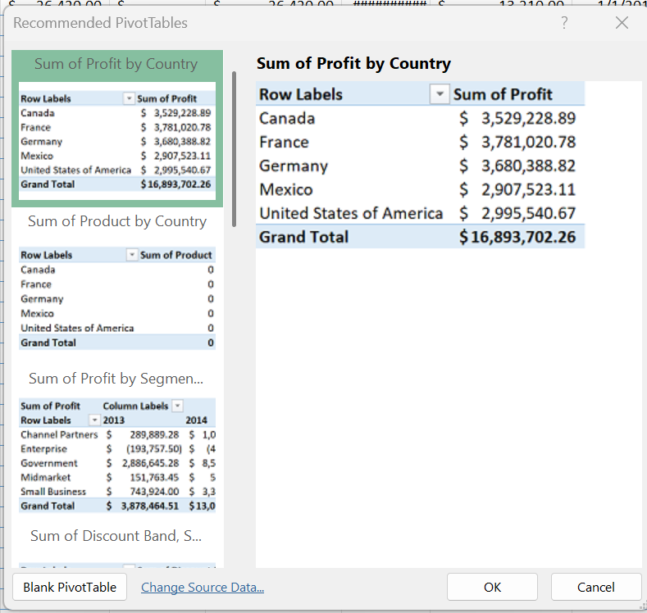
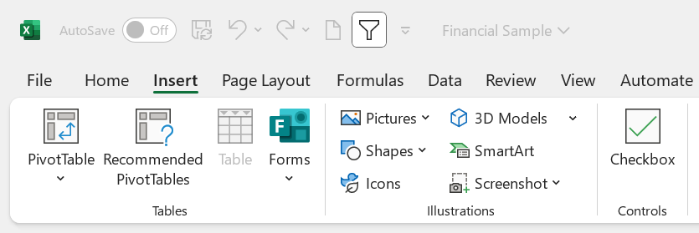
Annual Sales Performance by Country
Sum of Sales | Column Labels
Row Labels | 2013 | 2014 | Grand Total
Canada | $5,175,888.78 | $19,711,766.11 | $24,887,654.89
France | $5,132,795.17 | $19,221,377.11 | $24,354,172.28
Germany | $6,227,735.47 | $17,277,605.35 | $23,505,340.82
Mexico | $4,754,421.26 | $16,194,930.85 | $20,949,352.11
United States of America | $5,124,414.83 | $19,905,415.34 | $25,029,830.17
Grand Total | $26,415,255.51 | $92,311,094.75 | $118,726,350.26

Calculated Field
Calculated Field
الحقول المحسوبة

Calculated Fields (الحقول المحسوبة) in Excel PivotTables are custom formulas that allow you to perform additional calculations using the data in your PivotTable without altering the source data.
✅ Key Points about Calculated Fields in PivotTables:
• They work with existing fields in the PivotTable.
• Created directly inside the PivotTable, under the "PivotTable Analyze" or "Options" tab → Fields, Items & • Sets → Calculated Field.
• Used in the Values area, not Rows or Columns.
• Formulas are written using field names, not cell references (e.g., =Revenue - Cost).
• Work on a row-by-row (record) basis, not on aggregated results.
⚠️ Limitations:
Calculated fields always use SUM aggregation for numeric fields.
Cannot reference individual PivotTable cells.
Limited support for complex logic compared to formulas outside the PivotTable.
🔒 Only basic arithmetic and a very limited set of functions are allowed:
You can use:
+, -, *, / (basic math)
IF (limited usage)
ABS, AND, OR, IFERROR (very limited)
But not functions like: SUM, AVERAGE, VLOOKUP, TEXT, COUNTIF, ROUND, etc.
Profit Margin
14.23%

PivotTable Options
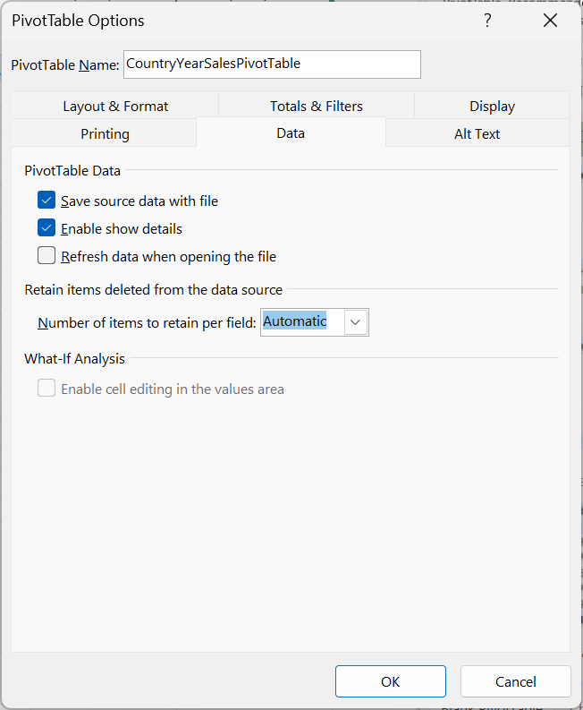

PivotCaches
VBA/Macro
MsgBox "Total PivotCaches in this workbook: " & ActiveWorkbook.PivotCaches.Count

ChatGPT+
Dim pc As PivotCache
Dim pt As PivotTable
Dim ws As Worksheet
Dim msg As String
Dim i As Long
MsgBox "Total PivotCaches in this workbook: " & ActiveWorkbook.PivotCaches.Count
For Each pc In ThisWorkbook.PivotCaches
msg = msg & "PivotCache #" & pc.Index & vbCrLf
For Each ws In ThisWorkbook.Worksheets
For Each pt In ws.PivotTables
If pt.CacheIndex = pc.Index Then
msg = msg & "PivotTable: " & pt.Name & vbCrLf & _
"Sheet: " & ws.Name & vbCrLf & vbCrLf
End If
Next pt
Next ws
msg = msg & String(40, "-") & vbCrLf
Next pc
MsgBox msg, vbInformation, "PivotCaches and Linked PivotTables"

What else!
What else!?

